Sheet1
Bias Vector(alpha) |  |  | Weight Matrix A |  |  |  |  | z(f0(a:h dot x + alphah) |  | Bk(Bias Vector beta) |  | Learning Rate
0.1 | 0.1 |  | 0.1 | 0.2 |  |  |  | 0.645656 |  | 0.1 |  | 0.01
 |  |  | 0.3 | 0.4 |  |  |  | 0.71095
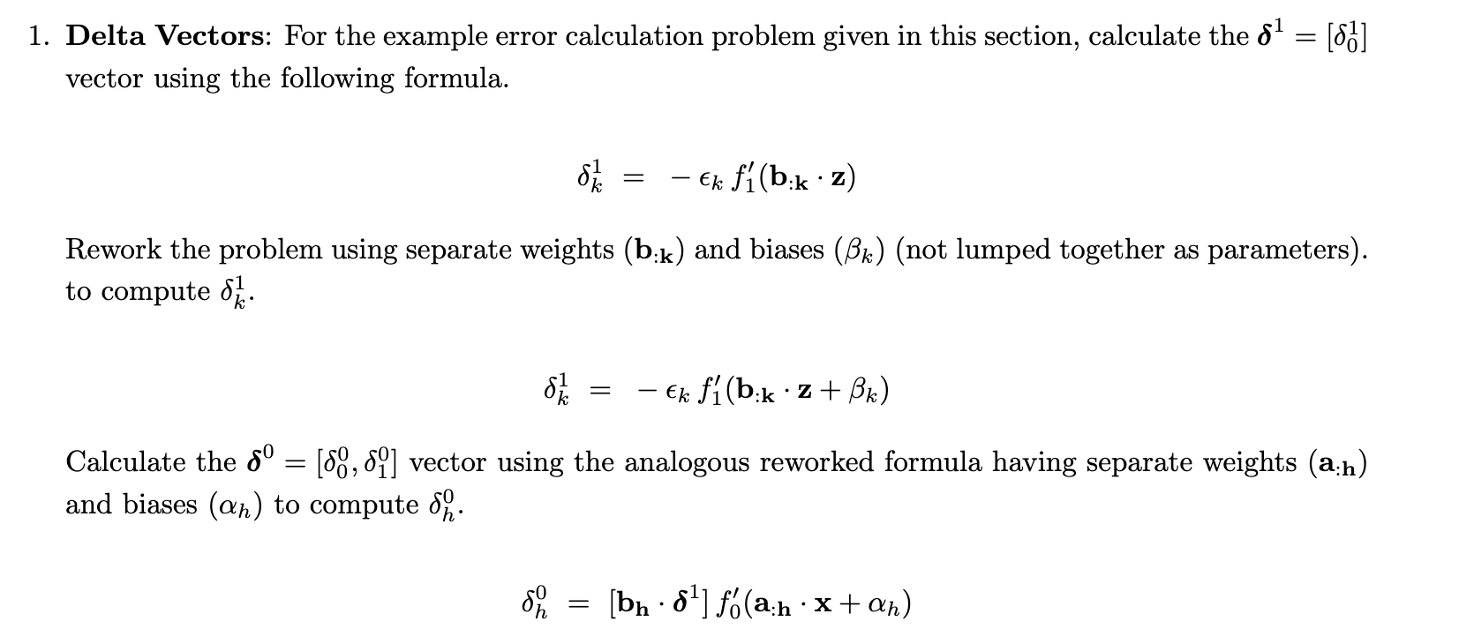
 |  |  | Weight Matrix B |  |  |  | x
 |  |  | 0.5 |  |  |  | 2
 |  |  | 0.6 |  |  |  | 1

error(calculated in previous step) | 0.0995592

bk dot z |  | sigmoid activated value | (1/(1+e^-x) |  | derivative of activated value |  |  |  | delta 1 (-e * derivative)
0.749398 |  | 0.67904751224 |  |  | 0.21794198836 | (s(x)) (1-s(x)) |  |  | -0.021698130008

Using separate weights and biases

bk dot z + bk |  | activated value |  |  | derivative of activated value |  |  |  | delta 1 separate
0.849398 |  | 0.70044084399 |  |  | 0.20982346806 |  |  |  | -0.020889856621
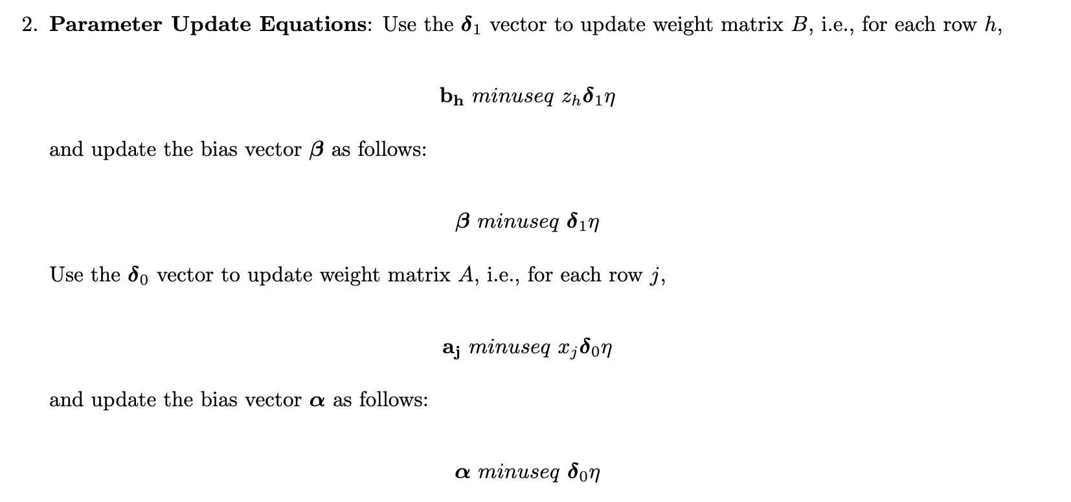

delta zero |  |  |  |  |  |  |  |  |  |  | 1`2

b0 dot delta 1 |  | z values derivative |  | delta 0s
-0.010444928311 |  | 0.22878432966 |  | -0.0023896359219
-0.012533913973 |  | 0.2055000975 |  | -0.0025757205435

2. Parameter Updates
Update Weight Matrix B |  | Update Weight Matrix A |  |  | Bias Vector B |  | Bias Vector A
0.50013487661 |  | 0.10020889857 | 0.20025067828 |  | 0.10020889857 |  | 0.10010444928
0.60014851644 |  | 0.30010444928 | 0.40012533914 |  |  |  | 0.749398

